Munka1
Picture/Quantity | Reference-Nr | Reference-Nr | Company | Description | Webpage | Available | Price
 | 579-PIC12F675-E/P | PIC12F675-E/P | Microchip Technology | Microcontroladores de 8 bits - MCU 1.75KB 64 RAM 6 I/O Ext Temp PDIP8 | Ficha técnica | 1.228
Ampliar |  |  |  |  |  | Em estoque | 1:00:00 | 1.06 €
 |  |  |  |  |  |  | 10:00:00 | 0.88 €
 |  |  |  |  |  |  | 25:00:00 | 0.86 €
quantity: 2 |  |  |  |  |  |  | 100:00:00 | 0.84 €

 | 512-2N7000 | 2N7000 | Fairchild Semiconductor | MOSFET N-CHANNEL 60V 200mA |  | 52.561
Enlarge |  |  |  |  | Page 487 | In Stock | 1:00:00 | 0.34 €
 |  |  |  |  |  |  | 10:00:00 | 0.19 €
 |  |  |  |  | Data Sheet | Alternative Packaging | 100:00:00 | 0.08 €
quantity 3 |  |  |  |  |  |  | 1.000: | 0.06 €
 |  |  |  |  |  |  | 2.000: | View

 | 651-1757255 | 1757255 | Phoenix Contact | Pluggable Terminal Blocks 3 Pos 5.08mm pitch Through Hole Header |  | 4.866
Enlarge |  |  |  |  | Page 1.423 | In Stock | 1:00:00 | 0.72 €
 |  |  |  |  |  |  | 10:00:00 | 0.69 €
 |  |  |  |  | Data Sheet |  | 50:00:00 | 0.66 €
 |  |  |  |  |  |  | 100:00:00 | 0.64 €
quantity: 1 |  |  |  |  |  |  | 250:00:00 | View

 | 651-1934874 | 1934874 | Phoenix Contact | Pluggable Terminal Blocks 3 Pos 5mm pitch Plug 26-14 AWG Screw |  | 14.061
Enlarge |  |  |  |  | Page 1.417 | In Stock | 1:00:00 | 0.45 €

quantity: 1 |  |  |  |  | Data Sheet
 | 651-1945106 | 1945106 | Phoenix Contact | Pluggable Terminal Blocks 3 Pos 3.5mm pitch Thru Hole Pin Strip |  | 283
Enlarge |  |  |  |  | Page 1.418 | In Stock | 1:00:00 | 0.15 €
 |  |  |  |  |  | More Info Available | 50:00:00 | 0.15 €
 |  |  |  |  | Data Sheet |  | 100:00:00 | 0.15 €
 |  |  |  |  |  |  | 250:00:00 | 0.14 €
quantity : 1

 | 833-BC547B-AP | BC547B-AP | Micro Commercial Components (MCC) | Transistors Bipolar - BJT Med Pwr Biplar Trans 45V, 100mA | Data Sheet | 18.531
Enlarge |  |  |  |  |  | In Stock | 1:00:00 | 0.36 €
 |  |  |  |  |  |  | 10:00:00 | 0.20 €
 | To purchase full ammo pack, order in multiples of 20000: |  |  |  |  |  | 100:00:00 | 0.09 €
 |  |  |  |  |  |  | 1.000: | 0.06 €
quantity : 1 |  |  |  |  |  |  | Reel
 |  |  |  |  |  |  | 20.000: | 0.04 €
 |  |  |  |  |  |  | 40.000: | View

 | 611-PTS645SL432 | PTS645SL43-2 LFS | C&K Components | Tactile Switches | Data Sheet | 9.786
Enlarge |  |  |  | Learn More |  | In Stock | Cut Tape
 |  |  |  |  |  |  | 1:00:00 | 0.11 €
 | To purchase full reel, order in multiples of 1000: | New Product |  |  |  |  | 25:00:00 | 0.11 €
 |  |  |  |  |  |  | 50:00:00 | 0.10 €
 |  |  |  |  |  |  | 100:00:00 | 0.09 €
quantity:5 |  |  |  |  |  |  | Reel
 |  |  |  |  |  |  | 1.000: | 0.07 €
 |  |  |  |  |  |  | 2.000: | View

Mouser Part No: | 696-SSL-LX5099IEW | Manufacturer: | Lumex
Manufacturer Part No: | SSL-LX5099IEW | Product Category: | Standard LEDs - Through Hole
Manufacturer: | Lumex | RoHS: | Details
Description: | Standard LEDs - Through Hole LED PMI | Illumination Colour: | Infrared, Red
Lifecycle: | End of Life: Scheduled for obsolescence and will be discontinued by the manufacturer. | Luminous Intensity: | 0.055 mcd
 |  | Wavelength/Colour Temperature: | 940 nm, 635 nm
quantity : 1 |  | Viewing Angle: | 60 deg
 |  | Forward Current: | 20 mA
 |  | Forward Voltage: | 1.4 V, 2 V
 |  | LED Size: | T-1 3/4
 |  | Packaging: | Bulk
 |  | Brand: | Lumex
 |  | Lens Dimensions: | 5 mm
 |  | Lens Shape: | Dome
 |  | Maximum Operating Temperature: | + 85 C
 |  | Minimum Operating Temperature: | - 40 C
 |  | Mounting Style: | Through Hole

 | Not Assigned | Manufacturer: | Vishay
Manufacturer Part No: | TSOP1738TB1 | Carrier Frequency: | 38 kHz
Manufacturer: | Vishay | Transmission Distance: | 35 m
Description: | Infrared Receivers | Viewing Angle: | 45 deg
 |  | Output Current: | 5 mA
quantity:1 |  | Operating Supply Voltage: | 4.5 V to 5.5 V
 |  | Supply Current: | 1.2 mA
 |  | Maximum Operating Temperature: | + 85 C
 |  | Minimum Operating Temperature: | - 25 C
 |  | Brand: | Vishay

Ultrasonic sensor

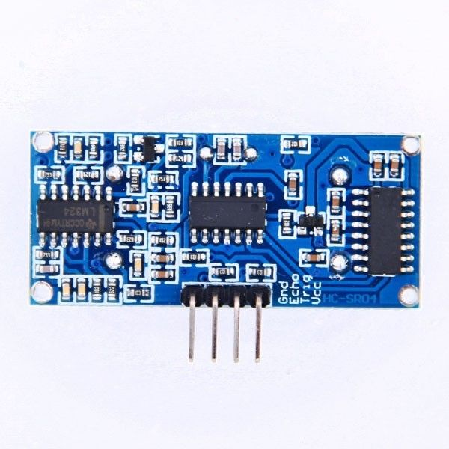
 |  |  | quantity : 1 | Features:
 |  |  |  | 100% Brand New and High Quality
 |  |  | link | Working Voltage : 5V(DC)
 |  |  |  | Static current: Less than 2mA.
 |  |  | price: 1,33 $ | Output signal: Electric frequency signal, high level 5V, low level 0V.
 |  |  |  | Sensor angle: Not more than 15 degrees.
 |  |  |  | Detection distance: 2cm-450cm.
 |  |  |  | High precision: Up to 0.3cm
 |  |  |  | Input trigger signal: 10us TTL impulse
 |  |  |  | Echo signal : output TTL PWL signal
 |  |  |  | Mode of connection:
 |  |  |  | 1.VCC 2.trig(T) 3.echo(R) 4.GND
 |  |  |  | Use method: Supply module with 5V, the output will be 5V while obstacle in range,
 |  |  |  | or 0V if not.The out pin of this module is used as a switching output
 |  |  |  | when anti-theft module, and without the feet when ranging modules.
 |  |  |  | Specifications:
 |  |  |  | Color: Blue & Silver
 |  |  |  | Item size: 44*20*15mm
 |  |  |  | Net weight: 11g
 |  |  |  | Package weight: 18g

RGB

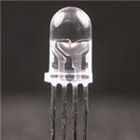
 |  | quantity : 4 |  | Pricing (EUR)
 |  |  |  |  | 1:00:00 | 1.22 €
 |  | link |  |  | 10:00:00 | 0.79 €
 |  |  |  |  | 100:00:00 | 0.70 €
 |  |  |  |  | 500:00:00 | 0.55 €
 |  |  |  |  | 1.000: | 0.46 €
 |  |  |  |  | 2.500: | 0.42 €
 |  |  |  |  | 10.000: | 0.40 €
 |  |  |  |  | 25.000: | 0.39 €
 |  |  |  |  | 50.000: | Quote

power supply | link
 | quantity: 1
e27 4w rgb

power supply | link |  | datasheet
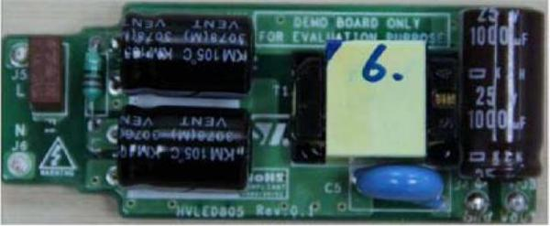
 |  |  |  |  | Price | 1:00:00 | 36.00 €

Manufacturer: | STMicroelectronics
Product Category: | LED Lighting Development Tools
RoHS: | Details
Product: | Demonstration Boards
For Use With: | E26, E27, GU10 LED Lamps
Core: | HVLED805
Operating Supply Voltage: | 90 V to 265 V
Series: | STEVAL-ILL037V1
Packaging: | Bulk
Brand: | STMicroelectronics

